Card 1 - Intro
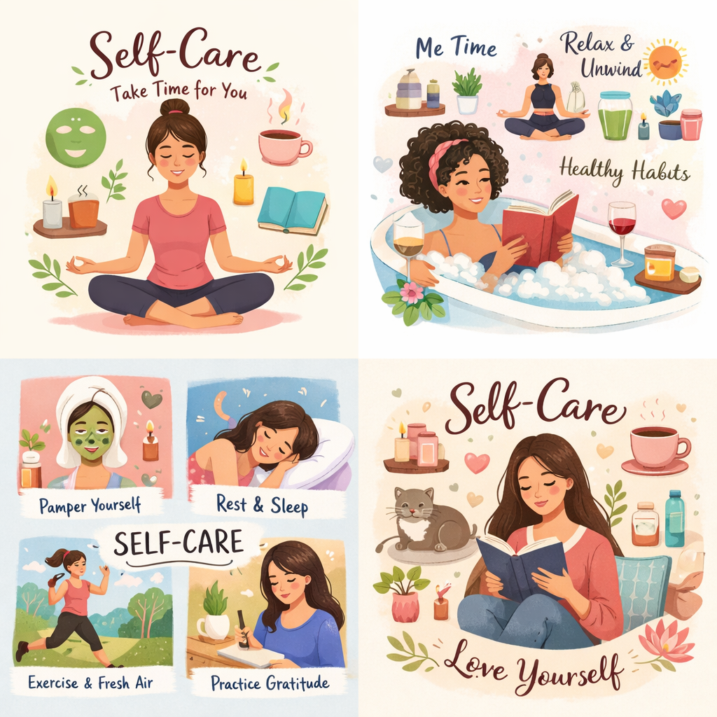
Field | Day 6/Self-care for strong leaders
Title | Recharge your mind and body while leading with clarity and confidence
Text | What if strength begins with taking care of yourself? Let’s embark on a journey to reconnect with your energy and build simple self-care rituals.
Quote | “Taking care of yourself helps to live lead with strength, clarity, and purpose.”
Image | 1_AVITEUM_image 1 Day 6
Video | Short 60s video based on the text below
Subtitle | How to stay connected.
Multiple choice question
Open question
List
Last message | Welcome to your journey of discovering your innner balance.

Text for the video: | What if self-care wasn’t something you only do when you have time…but something that helps you get through each day with more ease? In everyday life, we often feel pressure to keep going, take care of others, and handle everything that comes our way. But when we don’t pause and recharge, we can quickly feel overwhelmed, tired, or disconnected from ourselves. This module will help you see self-care in a new way - not as something extra, but as something essential. Also, as a powerful leadership skill. You’ll learn how to recharge your energy, stay grounded in challenging moments, and build habits that support your confidence and clarity. Because when you take care of yourself, everything else becomes a little easier. And if you aspire to take on a decision-making role, be aware that trong leaders don’t run on empty - they lead from a place of balance, awareness, and inner strength.

